Recipes
 | Recipe Summary

 | Recipe | Products Used | Description | Difficulty | Lesson | Additional Attributes
1 |  | Vanilla Strawberry Strawberry Emulsion | Enjoy a refreshing treat with these light and airy dessert cups, featuring layers of soft vanilla cake soaked in a sweet strawberry syrup. Topped with a velvety strawberry mousse and a cloud of whipped cream, each cup is a vibrant, fruity delight that’s as fun to make as it is to eat. | Hard | Amplify natural ingredients with concentrated flavors |  | 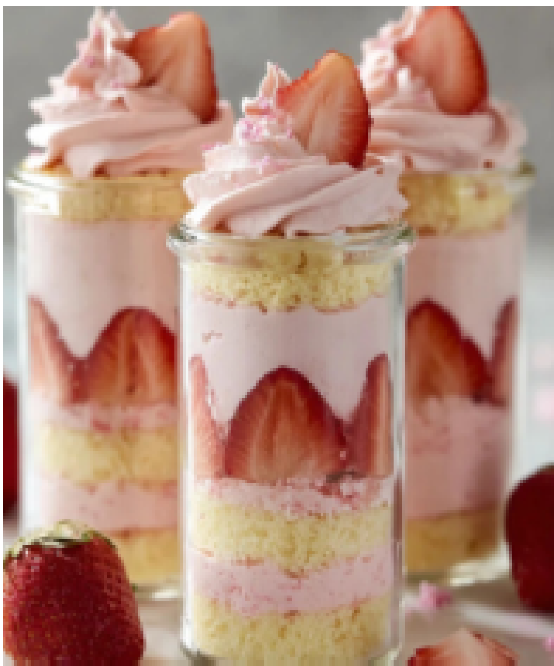
2 |  | Coconut | These elegant, shell-shaped biscuits offer a light, buttery crumb infused with a tropical coconut flavor. Each delicate cake is dipped in a silky white chocolate coating that perfectly complements the toasted coconut notes for a blissful, melt-in-your-mouth finish | Medium | Multi-purpose flavorings | Star Flavor Multi-application: biscuits + chocolate coating Re-mix (flavor switch e.g. Banana)
3 |  | Wild Berries Vanilla Bean Ice Cream Blue Color | These fluffy cupcakes feature a unique, creamy base inspired by the smooth taste of vanilla bean ice cream. Crowned with a swirl of sky-blue buttercream bursting with wild berry flavor, they are a colorful and delicious treat that brings a touch of magic to your home kitchen. | Easy | Any flavor combination imaginable is possible with ease | Re-mix (flavor switch e.g. Egyptian Mango) | 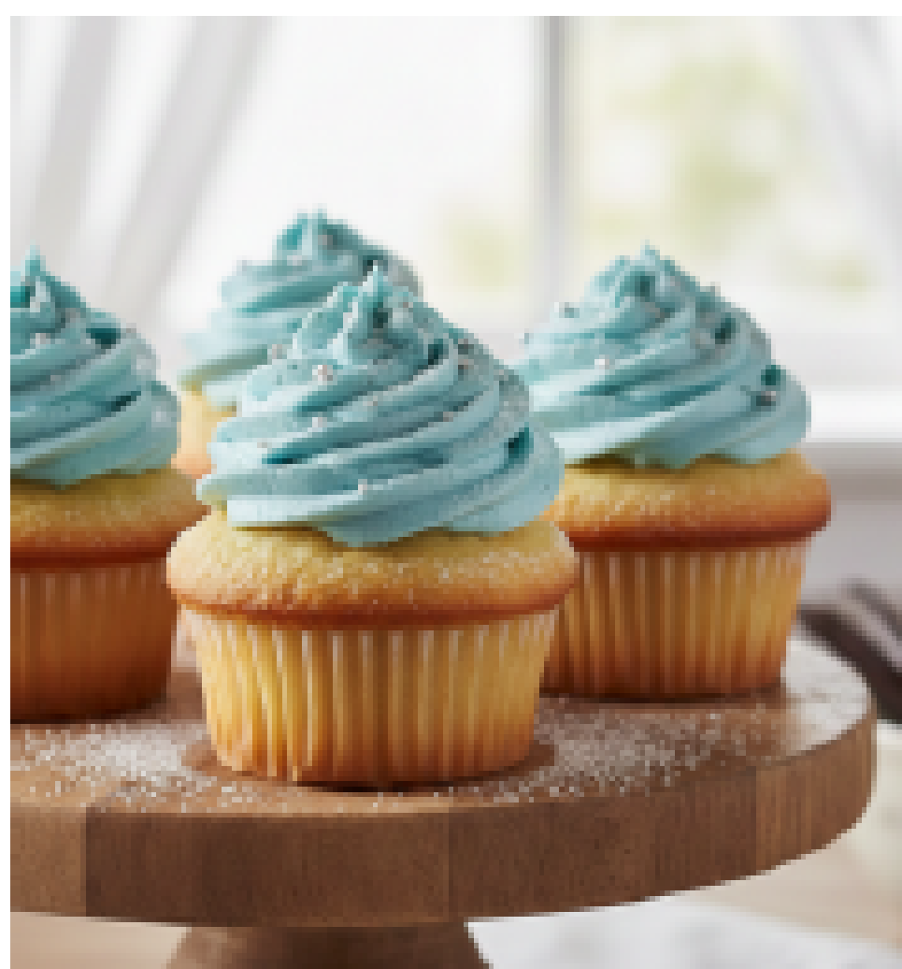 | 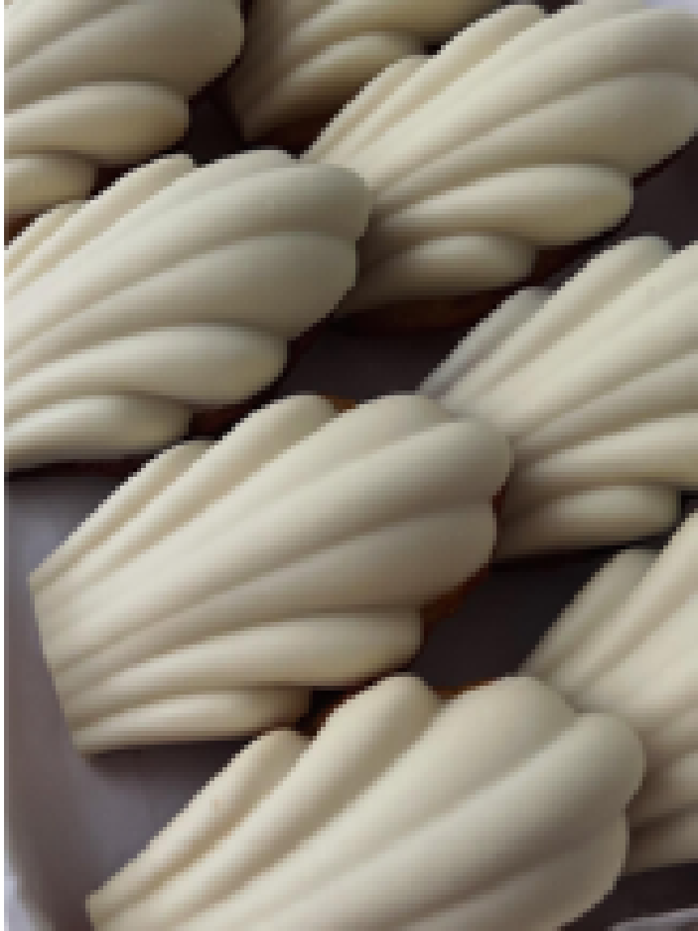
4 |  | Cardamom Coffee | These bite-sized treats are shaped like real coffee beans and offer a deep, aromatic cocoa flavor sparked by a touch of warm cardamom. Each cookie is finished with a dip in dark chocolate infused with coffee, making them an irresistible pick-me-up for any coffee lover. | Medium | Complement natural ingredients with concentrated flavors | Multi-purpose: biscuits + chocolate coating * not using Multi-application here to avoid confusion, as these are two different flavors in two different applications | 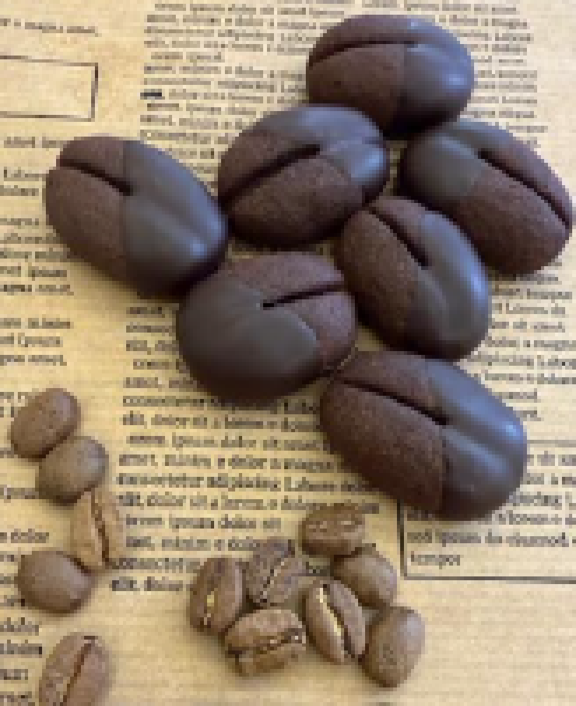
5 |  | Lemon Flavor | This bright, zesty cake is a citrus lover’s dream, featuring a tender crumb enriched with fresh lemon zest and a punch of lemon flavor. It’s soaked in a sweet lemon syrup while still warm and finished with a silky cream cheese frosting for a truly refreshing home-style treat. | Hard | Substitute natural ingredients with concentrated flavors | Star Flavor Multi-application: cake dough + syrup + frosting |  | 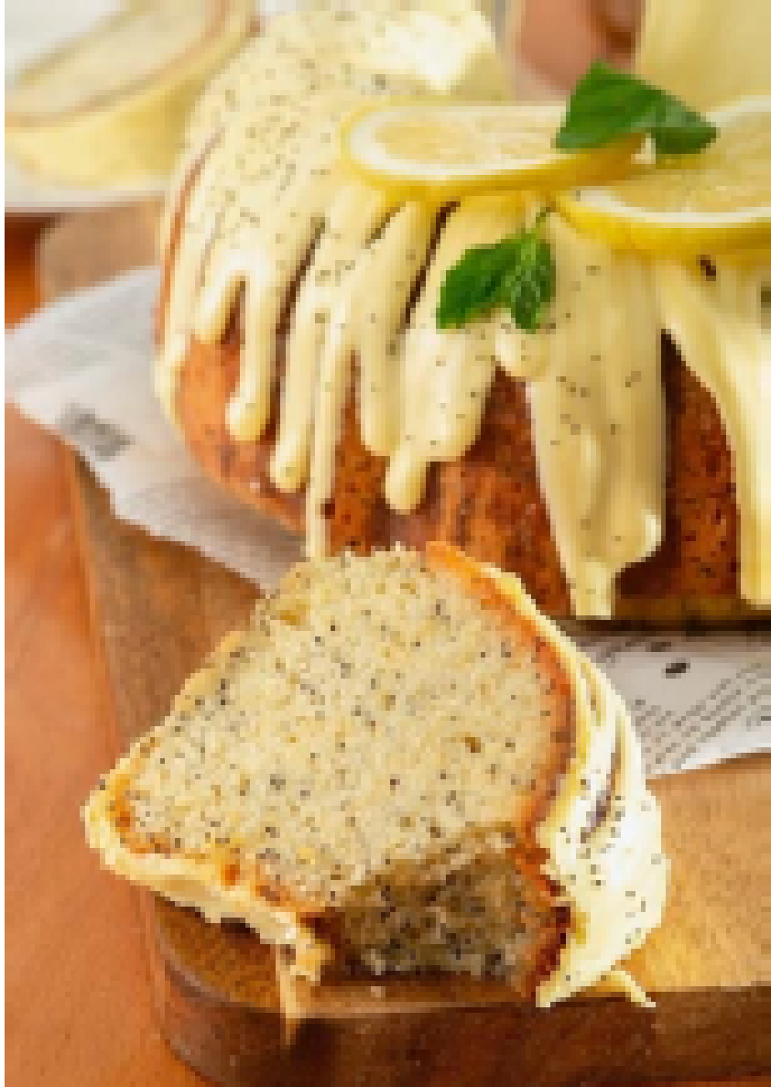
6 |  | Roasted Hazelnut Brown Color | These homemade favorites combine a classic chocolate chip cookie with the deep, nutty aroma of roasted hazelnuts. With golden edges, a soft center, and the warmth of real hazelnut and caramel notes, they are a cozy, indulgent treat for any afternoon. | Easy | Substitute / amplify natural ingredients with concentrated flavors | Re-mix (flavor switch e.g. Chocolate) |  | 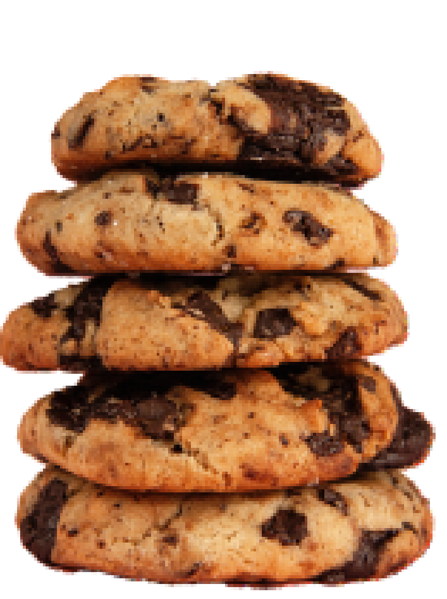
7 |  | Bubble Gum Pink Color | These vibrant pink squares are a playful, no-bake treat that brings the nostalgic, sweet taste of bubblegum to life. Combining creamy white chocolate with pillowy marshmallows, they offer a soft, melt-in-your-mouth texture that is pure fun | Medium | Make impossible desserts possible | Star Flavor Re-mix (color switch e.g. Blue) | 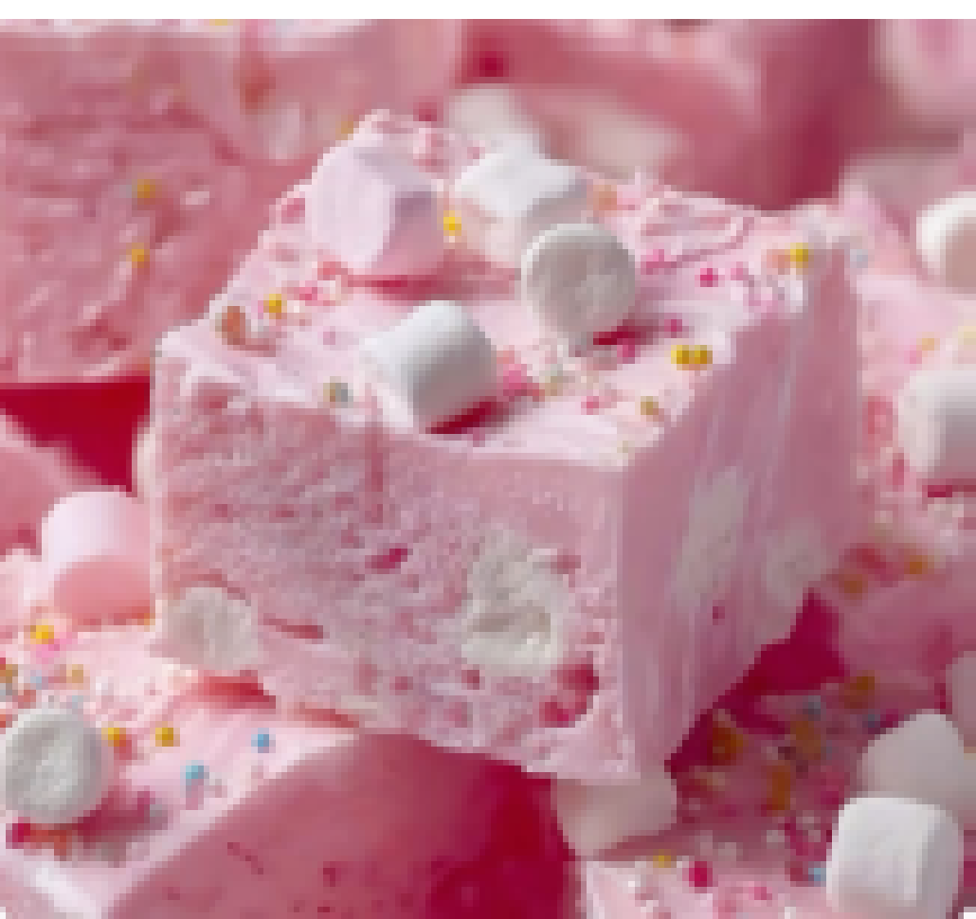
8 |  | Lotus Bavarian Cream Brown Color | These eye-catching cookies feature a beautiful swirl of two distinct, cozy flavors: a velvety Bavarian cream and a warm, spiced lotus profile. Baked until perfectly tender, these pinwheels offer a nostalgic, home-style taste that pairs wonderfully with a warm cup of tea. | Medium | Any flavor combination imaginable is possible with ease | Re-mix (flavor switch e.g. Cardamom, Cheeescake) | 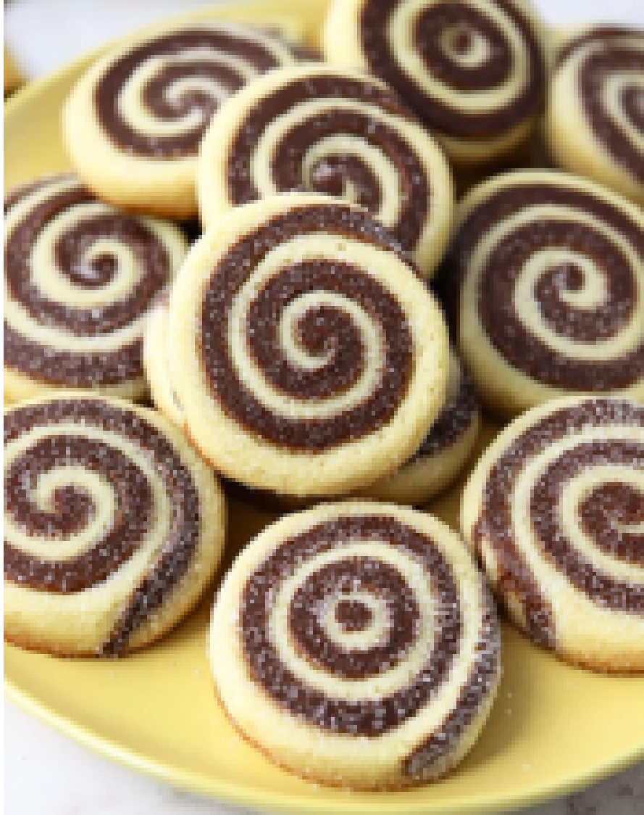
9 |  | Mixed Berries Pink Color | This charming home-style cake features a beautiful pink marble swirl and is loaded with juicy frozen berries. With its light, fruity aroma and eye-catching appearance, it’s a simple yet impressive dessert that brings a fresh, forest-fruit sweetness to any table. | Medium | Amplify natural ingredients with concentrated flavors | Star Flavor | 